Cover
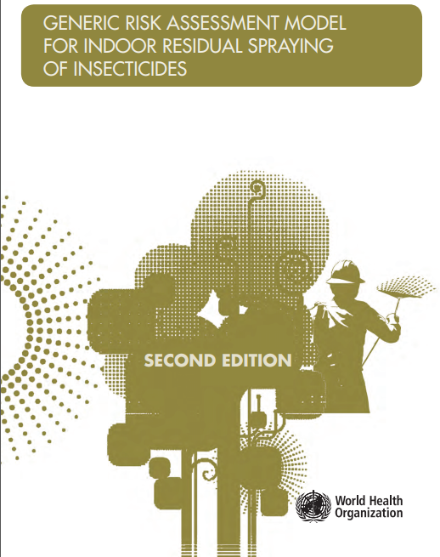
Source | https://www.who.int/neglected_diseases/vector_ecology/guidelines/en/
Model description: | IRS 2nd ed 2019 9789241513753-eng.pdf
Calculation model version: | 10/04/2019-v6

Introduction
1. Introduction
Indoor residual spraying (IRS) is the application of insecticides on the inside walls of dwellings in order to kill target insects that come into contact with the treated surface. Such insecticidal deposits are intended to remain active for an extended period of time. Indoor residual spraying is widely used to control the vectors of malaria, Chagas disease and visceral leishmaniasis.
The equipment used for indoor residual spraying is typically a hand compression sprayer fitted with a fan-type nozzle and a control flow valve. The World Health Organization (WHO) has published specification guidelines on equipment for vector control (WHO, 2010). Procedures for indoor residual spraying are described in a separate manual (WHO, 2007).
The formulations commonly used for indoor residual application of insecticides are wettable powders, suspension concentrates, capsule suspensions and waterdispersible granules. Wettable powders or water dispersible granules in sealed water soluble bags are also formulated and provide ease of handling and mixing in a spray tank and reduce spray operators’ risk (WHO, 2007). Emulsifiable concentrates are generally not suitable for use in indoor residual spraying.
The requirements, procedures and criteria for testing and evaluation of insecticides for IRS for control of malaria and Chagas disease vectors are available from WHO (http://www.who.int/whopes/guidelines/en/).
2. Purpose of model document
This document provides a generic model that can be used for the risk assessment of exposure to insecticide products applied as indoor residual sprays. It aims to harmonize the risk assessment of such insecticides for public health use in order to generate comparable data for their registering and labelling by national regulatory authorities. The assessment considers both adults and children (all age groups) as well as people in the following specific categories:
• those preparing the spray;
• those applying the spray;
• residents living in the treated houses; and
• residents who participate in preparing and applying insecticides.
The structure of this document follows that of A generic risk assessment model for insecticide treated nets (WHO, 2018). Because risk assessment is a constantly evolving process, guidance is also subject to change. Readers are therefore advised to consider any newer guidance published by WHO and other authoritative sources.
The WHO recommended insecticides for indoor residual spraying are listed on the WHO website (https://www.who.int/pq-vector-control/prequalified-lists/en/).
3. Purpose of this Excel calculation model
This spreadsheet is an implementation of the model described and allows regulators to perform assessments for new products with relatively limited effort. The model follows the calculation rules and suggestions for default values as described in the model document. It is populated with values from the Worked Example as included in the document.
4. How to use this spreadsheet
This spreadsheet requires a Microsoft Excel, Open Office or any other suite compatible with the xlsx format. It does not require the use of macros or other non-standard functionality.
Start by entering the relevant values on page 'Input' and use the suggestions for defaults as guideline only.
Page 'Risk characterization' summarizes the results from the individual assessments and calculates the risk ratios based on the systemic doses and the TSD.
Pages between 'Input' and 'Risk characterization' contain the actual exposure calculations.
IMPORTANT: Unit of display of calculated values
The user can manually switch between display of calculated values in mg or in µg.
This is done at the top of sheet "2.1 Operator Exposure" and will update all calcutions and relevent units.
The default is display in µg
5. Specific considerations for this model
The TSD and TSD_{ac} can be determined either based on the chronic and acute NOAEL (or the LOAEL or BMD) or on the ADI and ARfD (see chapter 4.1.7 in the guideline). If values are provided for both, the model will use the ADI/ARfD values. If the ADI is not provided the NOAEL values will be used.

2.1 Operator Exposure
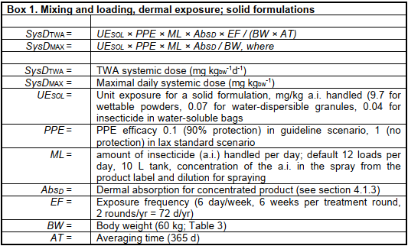
reference | parameter | description | calculation | unit |  | formula | comments
 |  |  | 1000 | µg |  |  | << (optionally) select unit for systemic doses
$ 4.2.2 | Operator exposure for solid formulation
 | Mixing and loading insecticide formulation
BOX 1 | SOLID | b) Mixing and loading, dermal exposure; solid formulations
 | UESOL | Unit exposure for a solid formulation handled | 9.70 | mg/kg a.i.
 |  | Guideline scenario (PPE=0.1)
 | SysDTWA | Predicted TWA systemic dose | 0.004 | µg kgbw ⁻¹ d⁻¹ | kgbw ⁻¹ d⁻¹ | UESOL × PPE × ML × AbsD × EF / (BW × AT)
 | SysDMAX | Maximal daily systemic dose | 0.019 | µg kgbw ⁻¹ | kgbw ⁻¹ | UESOL × PPE × ML × AbsD / BW
 |  | Lax scenario (PPE=1)
 | SysDTWA | Predicted TWA systemic dose | 0.037 | µg kgbw ⁻¹ d⁻¹ | kgbw ⁻¹ d⁻¹ | UESOL × PPE × ML × AbsD × EF / (BW × AT)
 | SysDMAX | Maximal daily systemic dose | 0.186 | µg kgbw ⁻¹ | kgbw ⁻¹ | UESOL × PPE × ML × AbsD / BW

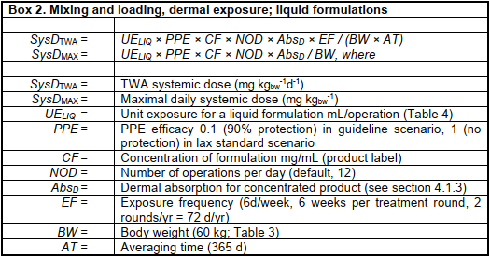
BOX 2 | LIQUID | b) Mixing and loading, dermal exposure; liquid formulations
 | UELIQ | Unit exposure for a liquid formulation mL/operation (Table 4) | 0.00 | mg/kg a.i.
 |  | Guideline scenario (PPE=0.1)
 | SysDTWA | Predicted TWA systemic dose | 0.000 | µg kgbw ⁻¹ d⁻¹ | kgbw ⁻¹ d⁻¹ | UESOL × PPE × ML × AbsD × EF / (BW × AT)
 | SysDMAX | Maximal daily systemic dose | 0.000 | µg kgbw ⁻¹ | kgbw ⁻¹ | UESOL × PPE × ML × AbsD / BW
 |  | Lax scenario (PPE=1)
 | SysDTWA | Predicted TWA systemic dose | 0.000 | µg kgbw ⁻¹ d⁻¹ | kgbw ⁻¹ d⁻¹ | UESOL × PPE × ML × AbsD × EF / (BW × AT)
 | SysDMAX | Maximal daily systemic dose | 0.000 | µg kgbw ⁻¹ | kgbw ⁻¹ | UESOL × PPE × ML × AbsD / BW

 | Application of insecticide formulation, and washing and maintenance of spray equipment
BOX 3 |  | c) Application, inhalation exposure
 | Guideline scenario (PPE=0.1)
 | SysDTWA | Predicted TWA systemic dose | 0.053 | µg kgbw ⁻¹ d⁻¹ | kgbw ⁻¹ d⁻¹ | 10-3 × TCWALL × RPE × BV × ED × AbsP × EF / (BW × AT)
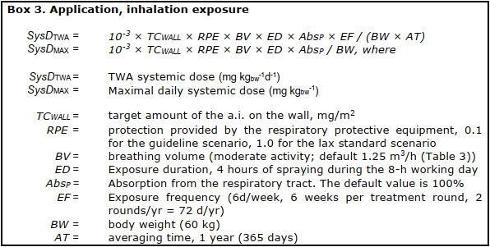
 | SysDMAX | Maximal daily systemic dose | 0.267 | µg kgbw ⁻¹ | kgbw ⁻¹ | 10-3 × TCWALL × RPE × BV × ED × AbsP / BW
 | Lax scenario (PPE=1)
 | SysDTWA | Predicted TWA systemic dose | 0.526 | µg kgbw ⁻¹ d⁻¹ | kgbw ⁻¹ d⁻¹ | UELIQ × PPE × CF × NOD × AbsD × EF / (BW × AT)
 | SysDMAX | Maximal daily systemic dose | 2.667 | µg kgbw ⁻¹ | kgbw ⁻¹ | UELIQ × PPE × CF × NOD × AbsD / BW

BOX 4 |  | d) Dermal exposure
 | Guideline scenario (PPE=0.1)
 | SysDTWA | Predicted TWA systemic dose | 0.026 | µg kgbw ⁻¹ d⁻¹ | kgbw ⁻¹ d⁻¹ | VSdermal × Cspray ×PPE × EF × AbsD /(BW × AT)
 | SysDMAX | Maximal daily systemic dose | 0.131 | µg kgbw ⁻¹ | kgbw ⁻¹ | VSdermal × Cspray ×PPE × AbsD /BW
 | Lax scenario (PPE=1)
 | SysDTWA | Predicted TWA systemic dose | 0.259 | µg kgbw ⁻¹ d⁻¹ | kgbw ⁻¹ d⁻¹ | VSdermal × Cspray ×PPE × EF × AbsD /(BW × AT)
 | SysDMAX | Maximal daily systemic dose | 1.312 | µg kgbw ⁻¹ | kgbw ⁻¹ | VSdermal × Cspray ×PPE × AbsD /BW

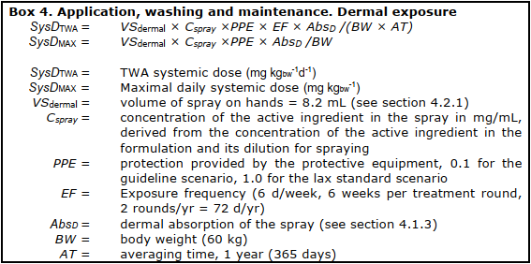
 |  | e) Total operator predicted dose
 | Guideline scenario (PPE=0.1)
 |  | TWA systemic dose | 0.082 | µg kgbw ⁻¹ d⁻¹ | kgbw ⁻¹ d⁻¹ |  | << note different outcome depending formulation
 |  | Total predicted maximal dose | 0.416 | µg kgbw ⁻¹ | kgbw ⁻¹
 | Lax scenario (PPE=1)
 |  | TWA systemic dose | 0.822 | µg kgbw ⁻¹ d⁻¹ | kgbw ⁻¹ d⁻¹ |  | << note this value is used as input for d) Ingestionvia breast milk
 |  | Total predicted maximal dose | 4.165 | µg kgbw ⁻¹ | kgbw ⁻¹

2.2 Residential Exposure
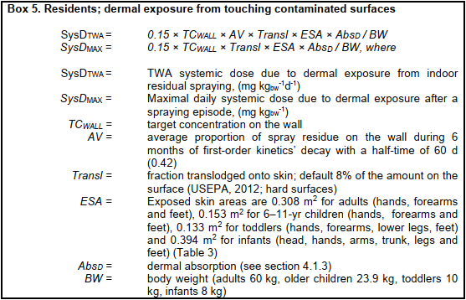
reference | parameter | description | calculation | unit | comments
 |  |  | 1000 | µg | << selected from sheet 2.1
$ 4.2.2 | Residential exposure
BOX 5 |  | a) Dermal exposure due to touching contaminated surfaces
 | SysDTWA | Predicted TWA systemic dose - adults | 0.010 | µg kgbw ⁻¹ d⁻¹
 | SysDTWA | Predicted TWA systemic dose - children | 0.012 | µg kgbw ⁻¹ d⁻¹
 | SysDTWA | Predicted TWA systemic dose - toddlers | 0.026 | µg kgbw ⁻¹ d⁻¹
 | SysDTWA | Predicted TWA systemic dose - infants | 0.095 | µg kgbw ⁻¹ d⁻¹

 | SysDMAX | Maximal daily systemic dose - adults | 0.024 | µg kgbw ⁻¹
 | SysDMAX | Maximal daily systemic dose - children | 0.029 | µg kgbw ⁻¹
 | SysDMAX | Maximal daily systemic dose toddlers | 0.061 | µg kgbw ⁻¹
 | SysDMAX | Maximal daily systemic dose - infants | 0.227 | µg kgbw ⁻¹

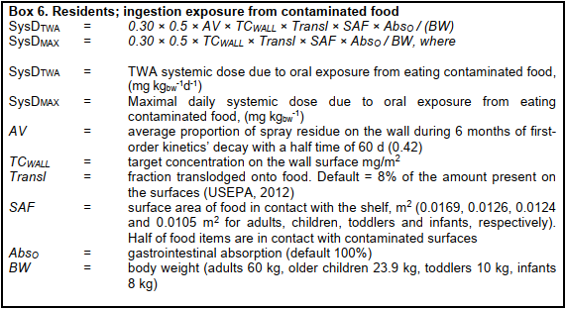
BOX 6 |  | b) Oral exposure contaminated foodstuffs
 | SysDTWA | Predicted TWA systemic dose - adults | 0.0164 | µg kgbw ⁻¹ d⁻¹
 | SysDTWA | Predicted TWA systemic dose - children | 0.0306 | µg kgbw ⁻¹ d⁻¹
 | SysDTWA | Predicted TWA systemic dose - toddlers | 0.0720 | µg kgbw ⁻¹ d⁻¹
 | SysDTWA | Predicted TWA systemic dose - infants | 0.0762 | µg kgbw ⁻¹ d⁻¹

 | SysDMAX | Maximal daily systemic dose - adults | 0.0389 | µg kgbw ⁻¹
 | SysDMAX | Maximal daily systemic dose - children | 0.0729 | µg kgbw ⁻¹
 | SysDMAX | Maximal daily systemic dose toddlers | 0.1714 | µg kgbw ⁻¹
 | SysDMAX | Maximal daily systemic dose - infants | 0.1814 | µg kgbw ⁻¹

BOX 7 |  | c) Ingestion exposure of toddlers via hand-to mouth behaviour
 | SysDTWA | Predicted TWA systemic dose | 0.0125 | µg kgbw ⁻¹ d⁻¹
 | SysDMAX | Maximal daily systemic dose | 0.0297 | µg kgbw ⁻¹

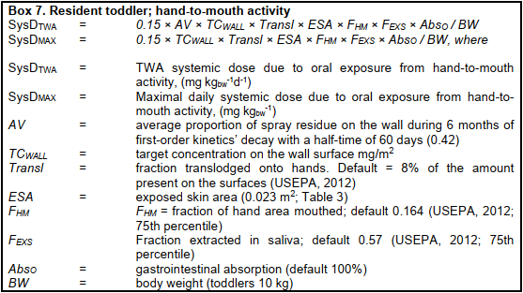
 |  | d) Ingestion exposure via breast milk, newborn
 |  | Exposure via breast milk estimated from fraction of dose excreted in milk
BOX 8 | SysDTWA | TWA systemic dose | 0.0000 | µg kgbw ⁻¹ d⁻¹
 |  | Exposure via breast milk estimated from kinetic properties
BOX 9 | SysDTWA | TWA systemic dose | 0.8084 | µg kgbw ⁻¹ d⁻¹

 |  | e) Total predicted resident dose
 |  |  | Adult | Child | Toddler | Infant | Newborn
 |  | Total TWA resident predicted dose | 0.0263 | 0.0430 | 0.1102 | 0.0762 | 0.8084 | kgbw ⁻¹ d⁻¹
 |  | Total predicted maximal daily dose | 0.0626 | 0.1024 | 0.2623 | 0.1814 | n.a. | kgbw ⁻¹

