Cover
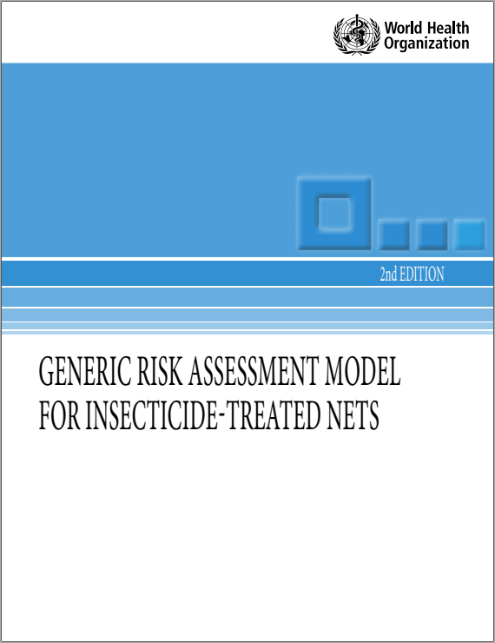
Source | https://www.who.int/whopes/resources/9789241513586/en/
Model description: | ITN 2nd ed 2019 9789241513586-eng.pdf
Calculation model version: | 11/04/2019-v7

Introduction
1. Introduction and purpose
Long-lasting insecticidal nets (LNs) constitute a core vector control intervention against malaria. A number of new LN products are under development and will require assessment of risks to humans.
This document provides an updated generic model that can be used for the risk assessment of exposure to insecticides of individuals sleeping under LNs and during the washing of nets. In an Annex, exposures and health risks are described for the conventional treatment or retreatment of nets (ITNs) with an insecticide considering that such practices may still be used in evaluation of ITNs and their use. The generic model does not include the risks associated with the manufacturing of LNs in a factory environment.
2 Need for a generic risk assessment model
Pyrethroid insecticides have been extensively used for the treatment of nets to protect against malaria and other vector-borne diseases. The effectiveness of such nets in reducing morbidity and mortality from malaria is well documented (WHO, 2000; Lengeler, 2004). The WHO Global Malaria Programme has made LNs one of the two core interventions against malaria.
The WHO Pesticide Evaluation Scheme (WHOPES) has recommended certain insecticide formulations for the conventional treatment of nets, as shown on the WHOPES website (https://www.who.int/pq-vector-control/prequalified-lists/en/).
With the emergence and spread of pyrethroid resistance among insect vectors, new brands of LNs containing a mixture of a pyrethroid and a compound in an alternative insecticide class with a different mode of action have been evaluated and recommended by WHO. In future, LNs with new active ingredients may also be produced. A generic risk assessment model is therefore needed, that is applicable to mixture or combination LNs. The model should incorporate data on the use patterns and typical exposure scenarios associated with the use of LNs. At the same time, the conventionally treated nets (ITNs) may still be used and may become again more important in the future; the model
encompasses the manual treatment of nets in an Annex. For treatment or retreatment of the nets, the model includes both the guideline scenario (in which the guidelines given are strictly followed) and a lax standard scenario (in which tropical conditions are accommodated and no personal protection other than light clothing covering the trunk of the impregnator is assumed).
3. Purpose of this Excel calculation model
This spreadsheet is an implementation of the model described and allows regulators to perform assessments for new products with relatively limited effort. The model follows the calculation rules and suggestions for default values as described in the model document. It is populated with values from the Worked Example as included in the document.
4. How to use this spreadsheet
This spreadsheet requires a Microsoft Excel, Open Office or any other suite compatible with the xlsx format. It does not require the use of macros or other non-standard functionality.
Start by entering the relevant values on page 'Input' and use the suggestions for defaults as guideline only.
Page 'Risk characterization' summarizes the results from the individual assessments and calculates the risk ratios based on the systemic doses and the TSD.
Pages between 'Input' and 'Risk characterization' contain the actual exposure calculations.
IMPORTANT: Unit of display of calculated values
The user can manually switch between display of calculated values in mg or in µg.
This is done at the top of sheet "2.1 Exposure from sleeping" and will update all calcutions and relevent units.
The default is display in µg
5. Specific considerations for this model
The TSD and TSD_{ac} can be determined either based on the chronic and acute NOAEL (or the LOAEL or BMD) or on the ADI and ARfD (see chapter 4.1.7 in the guideline). If values are provided for both, the model will use the ADI/ARfD values. If the ADI is not provided the NOAEL values will be used.

2.1 Exposure from sleeping..
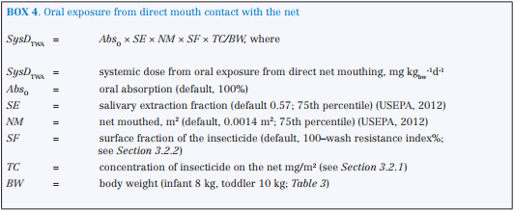
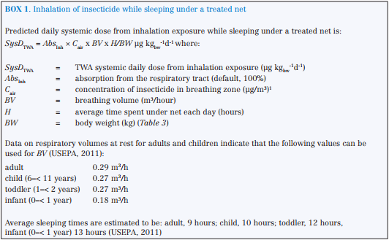
reference | parameter | description | calculation | unit | comments
 |  |  | 1000 | µg | << (optionally) select unit for systemic doses
 | 3.2.2 Inhalation, dermal, and oral exposure from sleeping under treated nets
BOX 1 |  | a) Inhalation
 |  | Worst case systemic dose | 0.000 | µg kgbw ⁻¹ d⁻¹ | a toddler staying 24 hours/day at a saturated vapour pressure concentration) to the pesticide can be estimated (HEEG, 2013b)
 |  | Worst case systemic dose as % of TSD | #DIV/0! | % | if < 10% no need to do inhalation exposure (see p. 10)
 |  | Should inhalation be considered? | no | #DIV/0! | << select yes if inhalation should be considered!
p. 17 note | Cair | Concentration of insecticide in breathing zone | 0.000 | µg /m3
 | SysDTWA | Predicted TWA systemic dose - adults | 0.000 | µg kgbw ⁻¹ d⁻¹
 | SysDTWA | Predicted TWA systemic dose - children | 0.000 | µg kgbw ⁻¹ d⁻¹
 | SysDTWA | Predicted TWA systemic dose - toddlers | 0.000 | µg kgbw ⁻¹ d⁻¹
 | SysDTWA | Predicted TWA systemic dose - infants | 0.000 | µg kgbw ⁻¹ d⁻¹

BOX 2 |  | b) Dermal
 | SysDTWA | Predicted TWA systemic dose - adults | 0.000 | µg kgbw ⁻¹ d⁻¹
 | SysDTWA | Predicted TWA systemic dose - children | 0.000 | µg kgbw ⁻¹ d⁻¹
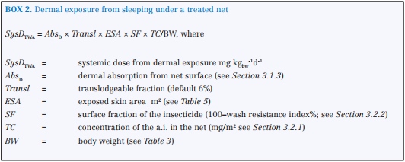
 | SysDTWA | Predicted TWA systemic dose - toddlers | 0.000 | µg kgbw ⁻¹ d⁻¹
 | SysDTWA | Predicted TWA systemic dose - infants | 0.000 | µg kgbw ⁻¹ d⁻¹

 |  | c) Oral hand to mouth
BOX 3 | SysDTWA | Predicted TWA systemic dose - toddlers | 0.000 | µg kgbw ⁻¹ d⁻¹
 | SysDTWA | Predicted TWA systemic dose - infants | 0.000 | µg kgbw ⁻¹ d⁻¹

BOX 4 |  | d) Oral, direct mouth contact with net
 | SysDTWA | Predicted TWA systemic dose - toddlers | 0.000 | µg kgbw ⁻¹ d⁻¹
 | SysDTWA | Predicted TWA systemic dose - infants | 0.000 | µg kgbw ⁻¹ d⁻¹
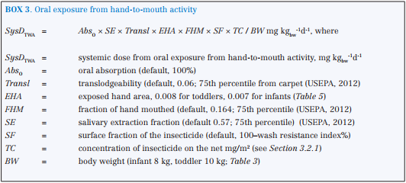
 |  | e) Total dose from sleeping under the net
 |  | Total TWA resident predicted dose | Adult | Child | Toddler | Infant
 |  | a) Inhalation | 0.000 | 0.000 | 0.000 | 0.000
 |  | a) Dermal | 0.000 | 0.000 | 0.000 | 0.000
 |  | c) Oral hand to mouth | n.a | n.a | 0.000 | 0.000
 |  | d) Oral, direct mouth contact with net | n.a | n.a | 0.000 | 0.000
 |  |  | 0.000 | 0.000 | 0.000 | 0.000 | µg kgbw ⁻¹ d⁻¹

2.2 Exposure during washing
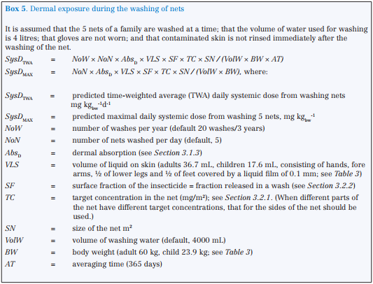
reference | parameter | description | calculation | unit | comments
 |  |  | 1000 | µg | << selected from sheet 2.1
$ 3.2.3 | 3.2.3 Systemic exposure during washing of nets
BOX 5 |  | a) Dermal exposure during net washing
 | SysDTWA | Predicted TWA systemic dose - adults | 0.000 | µg kgbw ⁻¹ d⁻¹
 | SysDTWA | Predicted TWA systemic dose - children | 0.000 | µg kgbw ⁻¹ d⁻¹

 | SysDMAX | Maximal daily dose - adults | 0.000 | µg kgbw ⁻¹
 | SysDMAX | Maximal daily dose - children | 0.000 | µg kgbw ⁻¹

BOX 6 |  | b) Oral exposure (hand-to-mouth) during net washing
 | SysDTWA | Predicted TWA systemic dose - adults | 0.000 | µg kgbw ⁻¹ d⁻¹
 | SysDTWA | Predicted TWA systemic dose - children | 0.000 | µg kgbw ⁻¹ d⁻¹

 | SysDMAX | Maximal daily systemic dose - adults | 0.000 | µg kgbw ⁻¹
 | SysDMAX | Maximal daily systemic dose - children | 0.000 | µg kgbw ⁻¹

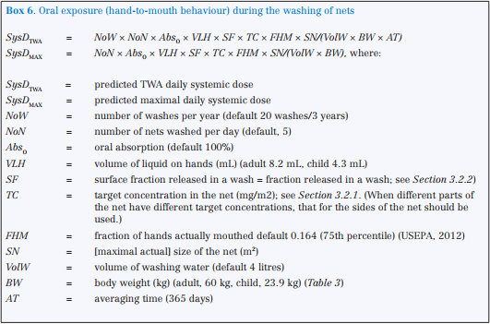
 |  | c) Total dose from net washing
 |  | Total TWA resident predicted dose
 |  | Adult | 0.000 | µg kgbw ⁻¹ d⁻¹
 |  | Child | 0.000 | µg kgbw ⁻¹ d⁻¹
 |  | Total predicted maximal daily dose
 |  | Adult | 0.000 | µg kgbw ⁻¹
 |  | Child | 0.000 | µg kgbw ⁻¹

2.3 Exposure via breast milk
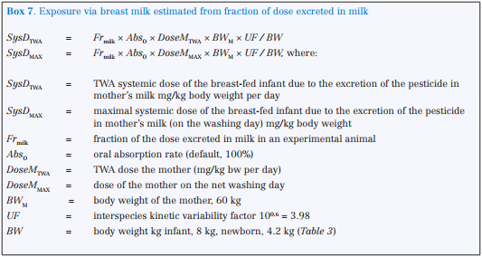
reference | parameter | description | calculation | unit | comments

BOX 7 | 3.2.4 Exposure via breast milk estimated from fraction of dose excreted in milk
 |  | Total dose from mother’s milk
 | DoseMtwa |  | 0.000 | µg kgbw ⁻¹ d⁻¹
 | SysDTWA | Predicted TWA systemic dose - newborn | 0.000 | µg kgbw ⁻¹ d⁻¹
 | SysDTWA | Predicted TWA systemic dose - infant | 0.000 | µg kgbw ⁻¹ d⁻¹

 | DoseMMAX |  | 0.000 | µg kgbw ⁻¹
 | SysDMAX | Maximal daily dose - newborn | 0.000 | µg kgbw ⁻¹
 | SysDMAX | Maximal daily dose - infant | 0.000 | µg kgbw ⁻¹

BOX 8 |  | Exposure via breast milk estimated from kinetic properties
 |  | Total dose from mother’s milk
 | DoseMbw | daily dose to the mother mg/kg bw | 0.000 | mg kgbw d-1
 | SysDTWA | Predicted TWA systemic dose - newborn | 0.000 | µg kgbw -1 d-1 |  | Box 8 only relevant when Exposure cannot be calculated via Box 7
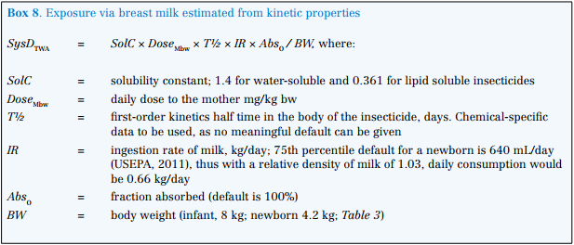
 | SysDTWA | Predicted TWA systemic dose - infant | 0.000 | µg kgbw -1 d-1

 |  | Conclusion: Values used in further calculations:
 | SysDTWA | Predicted TWA systemic dose - newborn | 0.000 | µg kgbw -1 d-1
 | SysDTWA | Predicted TWA systemic dose - infant | 0.000 | µg kgbw -1 d-1

Annex treating nets
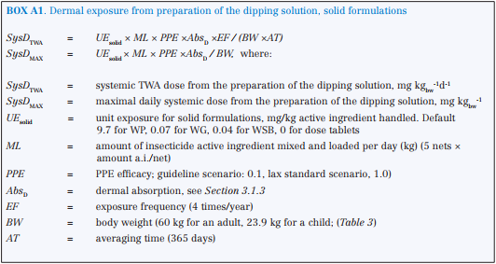
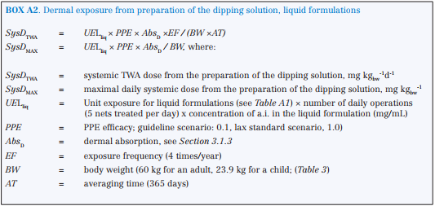
reference | parameter | description | calculation | unit |  | comments
 |  |  | 1000 | µg |  | << selected from sheet 2.1
$ 3.2.3 | 6.1 Treating nets with insecticide |  | for formulation: | solid
BOX A1 | SOLID | Dermal exposure from preparation of the dipping solution, solid formulations | guideline scenario | lax scenario
 | SysDTWA | Predicted TWA systemic dose - adults | 0.000 | 0.000 | µg kgbw ⁻¹ d⁻¹
 | SysDTWA | Predicted TWA systemic dose - children | 0.000 | 0.000 | µg kgbw ⁻¹ d⁻¹

 | SysDMAX | Maximal daily dose - adults | 0.000 | 0.000 | µg kgbw -1
 | SysDMAX | Maximal daily dose - children | 0.000 | 0.000 | µg kgbw -1

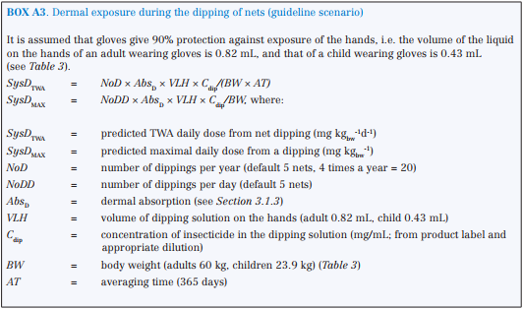
BOX A2 | LIQUID | Dermal exposure from preparation of the dipping solution, liquid formulations
 | SysDTWA | Predicted TWA systemic dose - adults | 0.000 | 0.000 | µg kgbw ⁻¹ d⁻¹
 | SysDTWA | Predicted TWA systemic dose - children | 0.000 | 0.000 | µg kgbw ⁻¹ d⁻¹
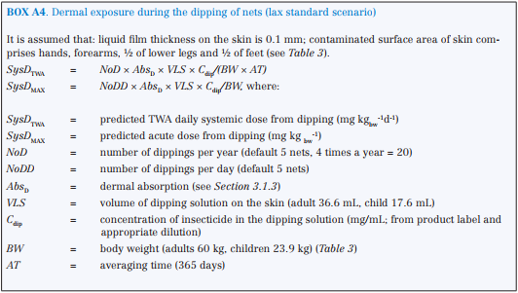
 | SysDMAX | Maximal daily dose - adults | 0.000 | 0.000 | µg kgbw ⁻¹
 | SysDMAX | Maximal daily dose - children | 0.000 | 0.000 | µg kgbw ⁻¹

BOX A3 |  | Dermal exposure during the dipping of nets (guideline scenario)
 | SysDTWA | Predicted TWA systemic dose - adults | 0.000 |  | µg kgbw ⁻¹ d⁻¹
 | SysDTWA | Predicted TWA systemic dose - children | 0.000 |  | µg kgbw ⁻¹ d⁻¹

 | SysDMAX | Maximal daily dose - adults | 0.000 |  | µg kgbw ⁻¹
 | SysDMAX | Maximal daily dose - children | 0.000 |  | µg kgbw ⁻¹

BOX A4 |  | Dermal exposure during the dipping of nets (lax standard scenario)
 | SysDTWA | Predicted TWA systemic dose - adults |  | 0.000 | µg kgbw ⁻¹ d⁻¹
 | SysDTWA | Predicted TWA systemic dose - children |  | 0.000 | µg kgbw ⁻¹ d⁻¹
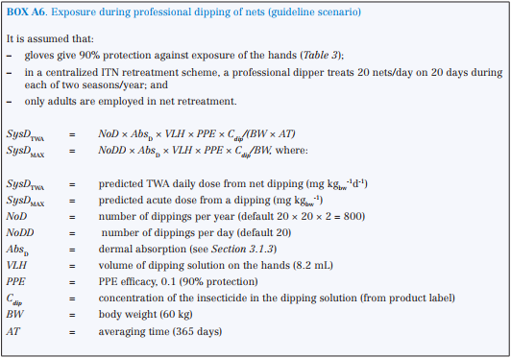
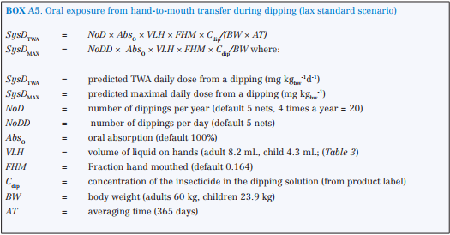
 | SysDMAX | Maximal daily dose - adults |  | 0.000 | µg kgbw ⁻¹
 | SysDMAX | Maximal daily dose - children |  | 0.000 | µg kgbw ⁻¹

BOX A5 |  | Oral exposure from hand-to-mouth transfer during dipping (lax standard scenario)
 | SysDTWA | Predicted TWA systemic dose - adults |  | 0.000 | µg kgbw ⁻¹ d⁻¹
 | SysDTWA | Predicted TWA systemic dose - children |  | 0.000 | µg kgbw ⁻¹ d⁻¹

 | SysDMAX | Maximal daily systemic dose - adults |  | 0.000 | µg kgbw ⁻¹
 | SysDMAX | Maximal daily systemic dose - children |  | 0.000 | µg kgbw ⁻¹

BOX A6 |  | Exposure during professional dipping of nets (guideline scenario)
 | SysDTWA | Predicted TWA systemic dose - adults | 0.000 |  | µg kgbw ⁻¹ d⁻¹

 | SysDMAX | Maximal daily systemic dose - adults | 0.000 |  | µg kgbw ⁻¹

 |  | Total dose from treating nets (non-professionals)
 |  | Total TWA resident predicted dose | guideline scenario | lax scenario
 |  | Adult | 0.000 | 0.0000 | µg kgbw ⁻¹ d⁻¹
 |  | Child | 0.000 | 0.0000 | µg kgbw ⁻¹ d⁻¹
 |  | Total predicted maximal daily dose
 |  | Adult | 0.000 | 0.0000 | µg kgbw ⁻¹
 |  | Child | 0.000 | 0.0000 | µg kgbw ⁻¹

 |  | Total dose from treating nets (non-professionals)
 |  | Total TWA resident predicted dose | 0.000 |  | µg kgbw ⁻¹ d⁻¹
 |  | Total predicted maximal daily dose | 0.000 |  | µg kgbw ⁻¹

